Peach
 | Daily Price
1 | 56.39
2 | 55.78
3 | 55.36
4 | 55.48
5 | 55.25
6 | 55.55
7 | 56.19
8 | 56.40
9 | 56.53
10 | 56.60
11 | 56.56
12 | 56.15
13 | 56.90
14 | 56.61
15 | 56.23
16 | 56.42
17 | 56.09
18 | 55.57
19 | 56.25
20 | 55.97
21 | 57.40
22 | 57.66
23 | 57.31
24 | 57.48
25 | 57.65
26 | 57.70
27 | 57.66
28 | 58.03
29 | 57.09
30 | 57.24
31 | 57.96
32 | 58.65
33 | 58.84
34 | 58.18
35 | 59.25
36 | 58.39
37 | 58.25
38 | 59.33
39 | 61.46
40 | 61.69
41 | 61.17
42 | 60.92
43 | 61.38
44 | 62.30
45 | 62.08
46 | 62.38
47 | 62.30
48 | 61.80
49 | 61.76
50 | 61.48
...
Day 1-200 | Daily Price | Daily Return
1 | 56.39 | NA
2 | 55.78 | -0.011
3 | 55.36 | -0.008
4 | 55.48 | 0.002
5 | 55.25 | -0.004
6 | 55.55 | 0.005
7 | 56.19 | 0.012
8 | 56.40 | 0.004
9 | 56.53 | 0.002
10 | 56.60 | 0.001
11 | 56.56 | -0.001
12 | 56.15 | -0.007
13 | 56.90 | 0.013
14 | 56.61 | -0.005
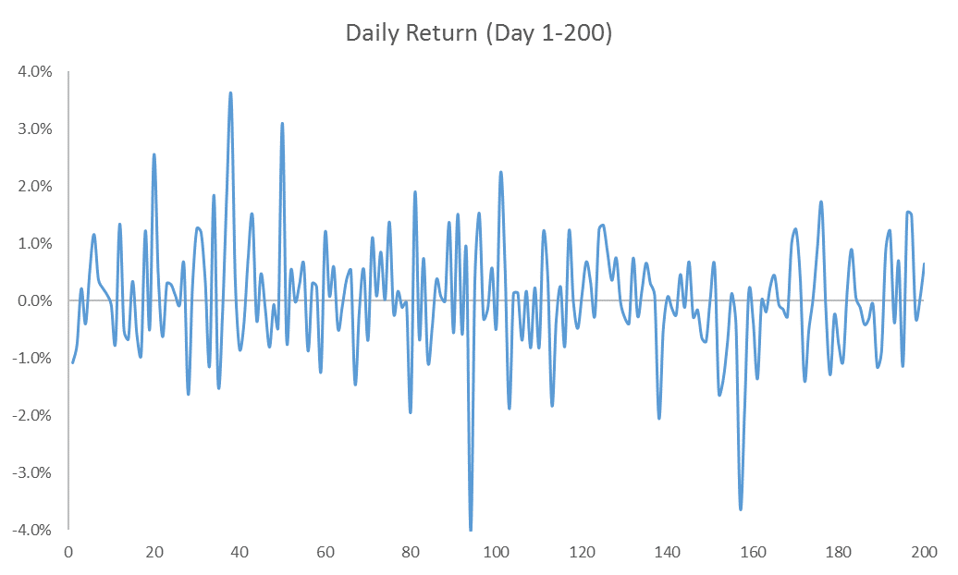
15 | 56.23 | -0.007
16 | 56.42 | 0.003
17 | 56.09 | -0.006
18 | 55.57 | -0.009
19 | 56.25 | 0.012
20 | 55.97 | -0.005
21 | 57.40 | 0.025
22 | 57.66 | 0.005
23 | 57.31 | -0.006
24 | 57.48 | 0.003
25 | 57.65 | 0.003
26 | 57.70 | 0.001
27 | 57.66 | -0.001
28 | 58.03 | 0.006
29 | 57.09 | -0.016
30 | 57.24 | 0.003
31 | 57.96 | 0.013
32 | 58.65 | 0.012
33 | 58.84 | 0.003
34 | 58.18 | -0.011
35 | 59.25 | 0.018
36 | 58.39 | -0.015
37 | 58.25 | -0.003
38 | 59.33 | 0.019
39 | 61.46 | 0.036
40 | 61.69 | 0.004
41 | 61.17 | -0.008
42 | 60.92 | -0.004
43 | 61.38 | 0.008
44 | 62.30 | 0.015
45 | 62.08 | -0.003
46 | 62.38 | 0.005
47 | 62.30 | -0.001
48 | 61.80 | -0.008
49 | 61.76 | -0.001
50 | 61.48 | -0.004
51 | 63.39 | 0.031
52 | 62.95 | -0.007
53 | 63.30 | 0.005
54 | 63.29 | 0.000
55 | 63.47 | 0.003
56 | 63.88 | 0.006
57 | 63.32 | -0.009
58 | 63.52 | 0.003
59 | 63.68 | 0.002
60 | 62.89 | -0.012
61 | 63.64 | 0.012
62 | 63.69 | 0.001
63 | 64.07 | 0.006
64 | 63.76 | -0.005
65 | 63.70 | -0.001
66 | 63.94 | 0.004
67 | 64.29 | 0.005
68 | 63.35 | -0.015
69 | 63.26 | -0.001
70 | 63.61 | 0.006
71 | 63.18 | -0.007
72 | 63.87 | 0.011
73 | 63.93 | 0.001
74 | 64.47 | 0.009
75 | 64.49 | 0.000
76 | 65.38 | 0.014
77 | 65.24 | -0.002
78 | 65.35 | 0.002
79 | 65.28 | -0.001
80 | 65.26 | 0.000
81 | 64.01 | -0.019
82 | 65.22 | 0.019
83 | 64.79 | -0.007
84 | 65.27 | 0.007
85 | 64.57 | -0.011
86 | 64.28 | -0.005
87 | 64.52 | 0.004
88 | 64.57 | 0.001
89 | 65.46 | 0.014
90 | 65.09 | -0.006
91 | 66.08 | 0.015
92 | 65.70 | -0.006
93 | 66.27 | 0.009
94 | 63.61 | -0.040
95 | 63.86 | 0.004
96 | 64.83 | 0.015
97 | 64.64 | -0.003
98 | 64.55 | -0.001
99 | 64.93 | 0.006
100 | 64.63 | -0.005
101 | 66.07 | 0.022
102 | 66.50 | 0.006
103 | 65.25 | -0.019
104 | 65.34 | 0.001
105 | 65.43 | 0.001
106 | 64.98 | -0.007
107 | 65.09 | 0.002
108 | 64.56 | -0.008
109 | 64.71 | 0.002
110 | 64.19 | -0.008
111 | 64.96 | 0.012
112 | 65.24 | 0.004
113 | 64.05 | -0.018
114 | 63.85 | -0.003
115 | 64.01 | 0.002
116 | 63.50 | -0.008
117 | 64.29 | 0.012
118 | 64.28 | 0.000
119 | 63.97 | -0.005
120 | 64.03 | 0.001
121 | 64.47 | 0.007
122 | 64.68 | 0.003
123 | 64.52 | -0.003
124 | 65.33 | 0.013
125 | 66.19 | 0.013
126 | 66.74 | 0.008
127 | 66.98 | 0.004
128 | 67.48 | 0.007
129 | 67.47 | 0.000
130 | 67.28 | -0.003
131 | 67.02 | -0.004
132 | 67.52 | 0.007
133 | 67.34 | -0.003
134 | 67.47 | 0.002
135 | 67.91 | 0.007
136 | 68.12 | 0.003
137 | 68.18 | 0.001
138 | 66.79 | -0.020
139 | 66.45 | -0.005
140 | 66.50 | 0.001
141 | 66.41 | -0.001
142 | 66.26 | -0.002
143 | 66.56 | 0.005
144 | 66.49 | -0.001
145 | 66.94 | 0.007
146 | 66.76 | -0.003
147 | 66.66 | -0.002
148 | 66.23 | -0.006
149 | 65.76 | -0.007
150 | 65.80 | 0.001
151 | 66.20 | 0.006
152 | 65.13 | -0.016
153 | 64.24 | -0.014
154 | 63.77 | -0.007
155 | 63.86 | 0.001
156 | 63.59 | -0.004
157 | 61.29 | -0.036
158 | 60.11 | -0.019
159 | 60.22 | 0.002
160 | 60.01 | -0.003
161 | 59.20 | -0.014
162 | 59.21 | 0.000
163 | 59.09 | -0.002
164 | 59.24 | 0.003
165 | 59.51 | 0.004
166 | 59.47 | -0.001
167 | 59.38 | -0.001
168 | 59.23 | -0.003
169 | 59.82 | 0.010
170 | 60.57 | 0.013
171 | 60.82 | 0.004
172 | 59.97 | -0.014
173 | 59.67 | -0.005
174 | 59.69 | 0.000
175 | 60.25 | 0.009
176 | 61.28 | 0.017
177 | 61.19 | -0.001
178 | 60.40 | -0.013
179 | 60.26 | -0.002
180 | 59.81 | -0.008
181 | 59.18 | -0.010
182 | 59.30 | 0.002
183 | 59.83 | 0.009
184 | 59.87 | 0.001
185 | 59.81 | -0.001
186 | 59.56 | -0.004
187 | 59.38 | -0.003
188 | 59.34 | -0.001
189 | 58.65 | -0.012
190 | 58.14 | -0.009
191 | 58.66 | 0.009
192 | 59.38 | 0.012
193 | 59.15 | -0.004
194 | 59.56 | 0.007
195 | 58.89 | -0.011
196 | 59.80 | 0.015
197 | 60.69 | 0.015
198 | 60.52 | -0.003
199 | 60.55 | 0.000
200 | 60.94 | 0.006
201 | 60.14 | -0.013

